ADC
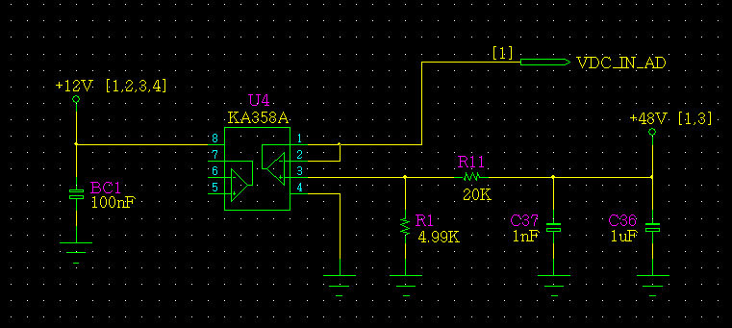
ADC Path review
 | 48V Vin ADC Review
 |  |  | VDC_IN_AD | Unit
 | POWER | Vdc | 48 | V
 |  | R1 | 20 | KΩ
 |  | R2 | 4.99 | KΩ
 |  | VDC_IN_AD | 9.58 | V
 | MCU | R1 | 4.7 | KΩ
 |  | R2 | 4.7 | KΩ
 |  | VIN | 4.79 | V
 |  | R3 | 2.4 | KΩ
 |  | R4 | 3.3 | KΩ
 |  | VDC_IN_AD | 2.77 | V

Current Sensor
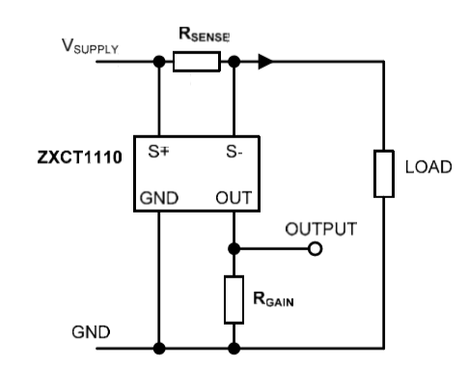

Current Sensor Review

ZXCT1110 | I_max | 12.5 | 10 | 1 | A | SMPS Max Current
 | Rsens1 | 0.01 | 0.01 | 0.01 | Ω
 | Rsens2 | 0.01 | 0.01 | 0.01 | Ω
 | Prsens | 0.391 | 0.250 | 0.003 | W
 | Vsens | 0.063 | 0.050 | 0.005 | V | Max 500mV
 | Iout | 0.250 | 0.200 | 0.020 | mA | Max 2mA
 | Rgain | 8.25 | 8.25 | 8.25 | kΩ
 | Vout | 2.063 | 1.650 | 0.165 | V | PWR_IS_AD
 | R13 | 50 | 50 | 50 | kΩ
 | R19 | 10 | 10 | 10 | kΩ
 | Vout | 12.375 | 9.9 | 0.99 | V
 | R14 | 2.2 | 2.2 | 2.2 | kΩ
 | R17 | 3.3 | 3.3 | 3.3 | kΩ
 | V_ADC | 7.425 | 5.94 | 0.594 | V

 |  | POWER PCB |  |  |  |  | MCU PCB
 |  | Rsens1 | 0.01 | Ω
 |  | Rsens2 | 0.01 | Ω | R13 | 47 | R14 | 3.6 | R14 | 2.2 | kΩ
 |  | Rgain | 8.25 | kΩ | R19 | 10 | R17 | 3.3 | R17 | 3.3 | kΩ
 |  | I_max | Vsens | Iout | Vout | Vopamp |  | V_ADC | V_ADC | ADC
 |  | 12.5 | 0.063 | 0.250 | 2.063 | 11.76 |  | 5.62 | 3.37 | 261
 |  | 12.0 | 0.060 | 0.240 | 1.980 | 11.29 |  | 5.40 | 3.24 | 250
 |  | 11.5 | 0.057 | 0.230 | 1.898 | 10.82 |  | 5.17 | 3.10 | 240
 |  | 11.0 | 0.055 | 0.220 | 1.815 | 10.35 |  | 4.95 | 2.97 | 229
 |  | 10.5 | 0.053 | 0.210 | 1.733 | 9.88 |  | 4.72 | 2.83 | 219
 |  | 10.0 | 0.050 | 0.200 | 1.650 | 9.41 |  | 4.50 | 2.70 | 209
 |  | 9.5 | 0.048 | 0.190 | 1.568 | 8.93 |  | 4.27 | 2.56 | 198
 |  | 9.0 | 0.045 | 0.180 | 1.485 | 8.46 |  | 4.05 | 2.43 | 188
 |  | 8.5 | 0.043 | 0.170 | 1.403 | 7.99 |  | 3.82 | 2.29 | 177
 |  | 8.0 | 0.040 | 0.160 | 1.320 | 7.52 |  | 3.60 | 2.16 | 167
 |  | 7.5 | 0.038 | 0.150 | 1.238 | 7.05 |  | 3.37 | 2.02 | 156
 |  | 7.0 | 0.035 | 0.140 | 1.155 | 6.58 |  | 3.15 | 1.89 | 146
 |  | 6.5 | 0.033 | 0.130 | 1.073 | 6.11 |  | 2.92 | 1.75 | 136
 |  | 6.0 | 0.030 | 0.120 | 0.990 | 5.64 |  | 2.70 | 1.62 | 125
 |  | 5.5 | 0.028 | 0.110 | 0.908 | 5.17 |  | 2.47 | 1.48 | 115
 |  | 5.0 | 0.025 | 0.100 | 0.825 | 4.70 |  | 2.25 | 1.35 | 104
 |  | 4.5 | 0.023 | 0.090 | 0.742 | 4.23 |  | 2.02 | 1.21 | 94
 |  | 4.0 | 0.020 | 0.080 | 0.660 | 3.76 |  | 1.80 | 1.08 | 83
 |  | 3.5 | 0.018 | 0.070 | 0.578 | 3.29 |  | 1.57 | 0.94 | 73
 |  | 3.0 | 0.015 | 0.060 | 0.495 | 2.82 |  | 1.35 | 0.81 | 63
 |  | 2.5 | 0.013 | 0.050 | 0.413 | 2.35 |  | 1.12 | 0.67 | 52

CT
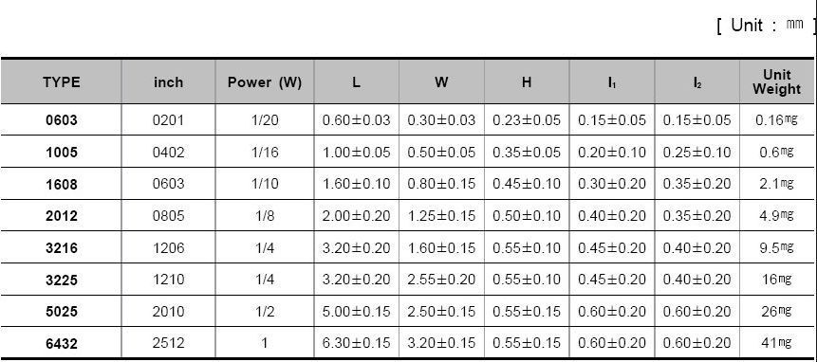

Vmax | 12 | 24 | V
R | 820 | 820 | Ω
I | 0.014634146341 | 0.029268292683 | A
P | 0.1756097561 | 0.70243902439 | W

Pre-Amp
 | Bias |  |  |  |  |  | MRF1513NT1
 |  | Vcc | 12 | 12 |  |  |  |  | Pout | 3 | W
 |  | VR1 | 2.3 | 1.57 |  |  |  |  | Gain | 15 | dB
 |  | R2 | 1 | 1 |  |  |  |  | Vout | 12.5 | V | 3.125
 |  | R1 | 1 | 1
 |  | V_gate | 2.79 | 3.36 |  | 2.623
 |  | Icc[mA] | 2.79 | 3.36

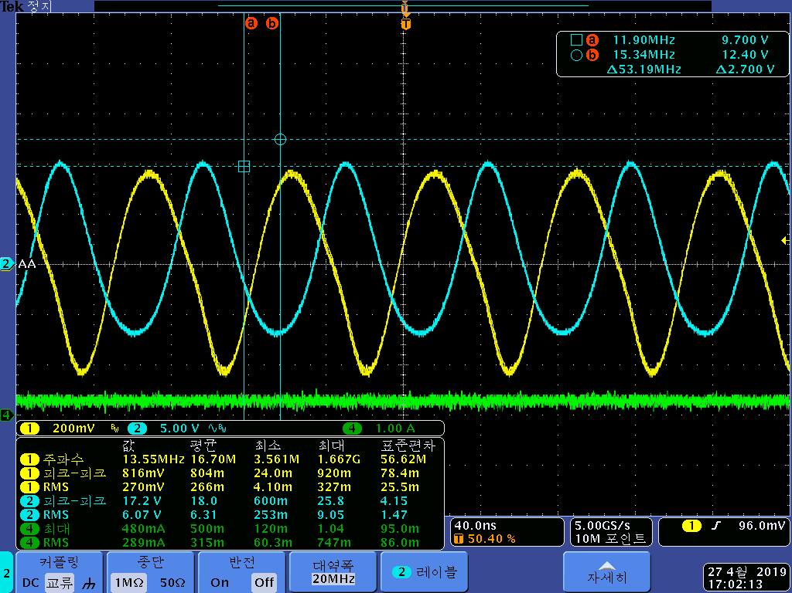
RL=50 : TX1 1차에서 50저항 처리 |  |  |  |  |  |  |  |  | RF_in |  |  | RF_out |  |  | Gain
VR1[눈금] | VR1[KΩ] | R2[KΩ] | R1[KΩ] | C100 | R23[KΩ] | L2[uH] | Icc | Pcc | Vpp | Vrms | Vrms_cal | Vpp | Vrms | Vrms_cal | [V/V] | dB | Pout
4 |  | 1 | 1 | NC | 1 | 0.8 | 0.42 | 5.04 | 0.720 |  | 0.25 | 25.0 |  | 8.84 | 34.7 | 30.8
 |  |  |  |  |  | 100 | 0.46 | 5.52 | 0.528 | 0.174 | 0.19 | 22.4 | 7.760 | 7.92 | 42.4 | 32.6 | 1.20
 |  |  |  |  |  | 0.64 | 0.49 | 5.88 | 0.848 | 0.277 | 0.30 | 25.200 | 8.920 | 8.91 | 29.7 | 29.5 | 1.59
 |  |  |  |  |  |  | 0.4 | 4.8 | 0.840 | 0.279 | 0.30 | 21.400 | 7.540 | 7.56 | 25.5 | 28.1 | 1.14
 |  |  |  | 10n |  |  | 0.35 | 4.2 | 0.288 | 0.136 | 0.102 | 6.600 | 2.180 | 2.33 | 22.9 | 27.2 | 0.10
 |  |  |  | 1n |  |  | 0.33 | 3.96 | 0.272 | 0.119 | 0.096 | 6.600 | 2.250 | 2.333 | 24.3 | 27.7 | 0.10
 |  |  |  | 1n |  |  | 0.23 | 2.76 | 0.368 | 0.124 | 0.130 | 5.000 | 1.700 | 1.767 | 13.6 | 22.7 | 0.06
5 | 1.16 | 1 | 1 | NC | 1 | 0.64 | 0.3 | 3.6 | 0.816 | 0.270 | 0.288 | 17.200 | 6.070 | 6.08 | 21.1 | 26.5 | 0.74

Path review
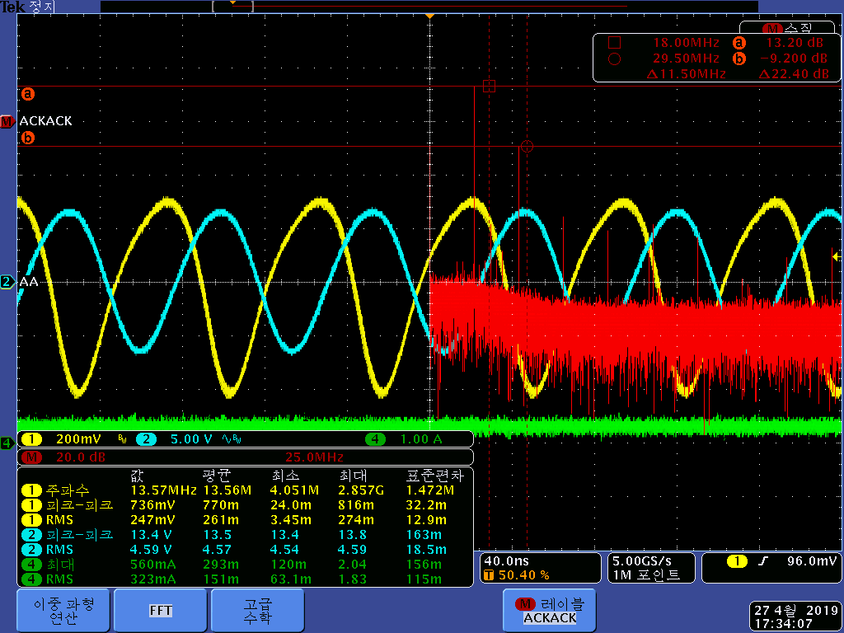
 |  |  | Fc | C
 |  |  | 13.56 | 10000 | 1.1743043421

 |  |  |  |  |  |  |  |  |  |  |  |  |  |  |  | 680 | 820 | 6.7434008093
 |  |  | L1[nH] | C3[pF] | fo[MHz] |  |  |  |  |  |  |  |  |  |  | 680 | 680 | 7.4051087958
 |  |  | 470 | 300 | 13.410062437 |  |  |  |  |  |  |  | 820 |  |  | 680 | 560 | 8.1600324611
 |  |  | 220 | 300 | 19.600555888 |  |  |  |  | 100 |  |  | 680 |  |  | 680 | 470 | 8.9071131829
 |  |  |  |  |  |  |  |  |  | 120 |  |  | 560 |  |  | 680 | 390 | 9.7780802307
 |  |  |  |  |  |  |  |  |  | 150 |  |  | 470 |  |  | 680 | 330 | 10.629893906
 |  |  |  |  |  |  |  |  |  | 180 |  |  | 390 |  |  | 680 | 300 | 11.148726784
 |  |  |  |  |  |  |  |  |  | 220 |  |  | 330 |  |  | 680 | 270 | 11.751789882
 |  |  |  |  |  |  |  |  |  | 330 |  |  | 300 |  |  | 680 | 240 | 12.464655475
 |  |  |  |  |  |  |  |  |  | 390 |  |  | 270 |  |  | 680 | 220 | 13.018908045 |  |  | 12 | V
 |  |  | 820 | 150 | 14.35779673 |  |  |  |  | 470 |  |  | 240 |  |  | 680 | 200 | 13.654345951 |  |  | 3 | W
 |  |  |  |  |  |  |  |  |  | 680 |  |  | 220 |  |  |  |  |  |  |  | 0.25 | A
 |  |  | 51 | 240 | 45.514486503
 |  |  | 510 | 2700 | 4.2911469398
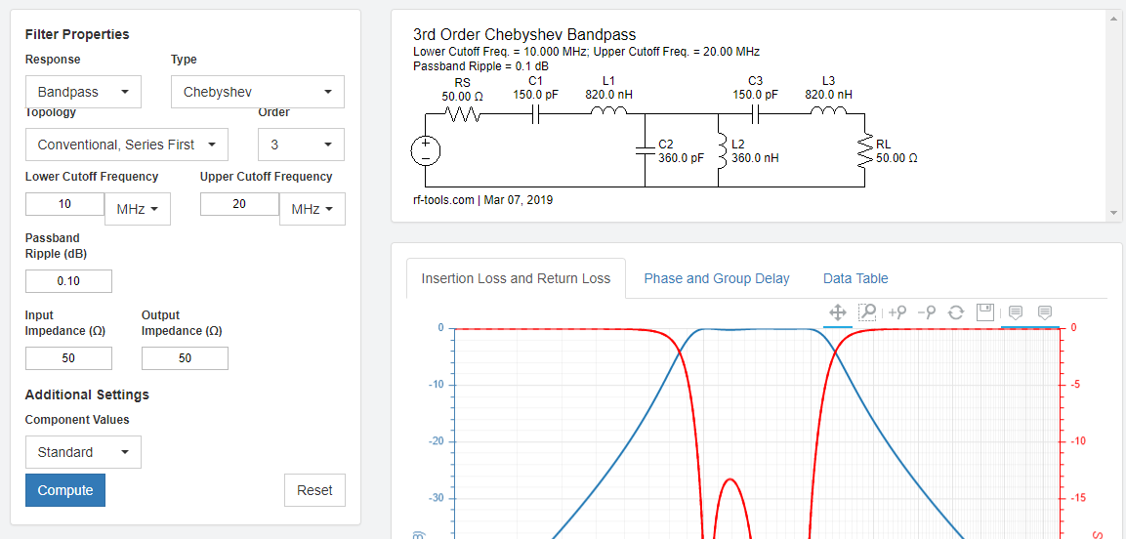

 |  |  |  |  |  |  |  |  |  |  |  |  |  |  |  |  |  |  |  |  | 3.3
 |  |  |  |  |  |  |  |  |  |  |  |  |  |  |  |  |  |  |  |  | 1.27
 |  |  |  |  |  |  |  |  |  |  |  |  |  |  |  |  |  |  |  |  | 2.03
 |  |  |  |  |  |  |  |  |  |  |  |  |  |  |  |  |  |  |  |  | 1.015

 |  |  |  |  |  |  |  |  |  |  |  |  |  |  |  |  |  |  |  |  | 1.27
 |  |  |  |  |  |  |  |  |  |  |  |  |  |  |  |  |  |  |  |  | 0.635

 |  | VR1[눈금] | VR1[KΩ] | R2[KΩ] | R1[KΩ] | C100 | R23[KΩ] | L2[uH]
 |  | 5 | 1.16 | 1 | 1 | NC | 1 | 0.64

RL=50 : TX1 1차에서 50저항 처리 |  |  |  |  |  |  |  |  |  |  | RF_in |  |  | RF_out |  |  | Gain
L2[uH] | C3[pF] | L1[nH] | C6[pF] | L11[nH] | C7[pF] | L3[nH] | C34[pF] | L12[nH] | Icc | Pcc | Vpp | Vrms | Vrms_cal | Vpp | Vrms | Vrms_cal | [V/V] | dB | Pout
0.64 | 300 | 220 | 1000 | 0 | NC | NC | 1000 | 0 | 0.3 | 3.6 | 0.816 | 0.270 | 0.288 | 17.200 | 6.070 | 6.08 | 21.1 | 26.5 | 0.74
0.64 | 300 | 470 | 150 | 820 | 330 | 330 | 150 | 820 | 0.34 | 4.08 | 0.736 | 0.247 | 0.260 | 13.4 | 4.59 | 4.74 | 18.2 | 25.2 | 0.42
0.8 |  |  |  |  |  |  |  |  | 0.31 |  | 0.712 | 0.238 |  | 13.2 | 4.44 |  |  |  |  | RF_IN의 +Vpp가 saturation됨
0.48 |  |  |  |  |  |  |  |  | 0.32 |  | 0.8 | 0.271 |  | 13.2 | 4.57 |  |  |  |  | RF_IN의 +Vpp가 개선

FILTER
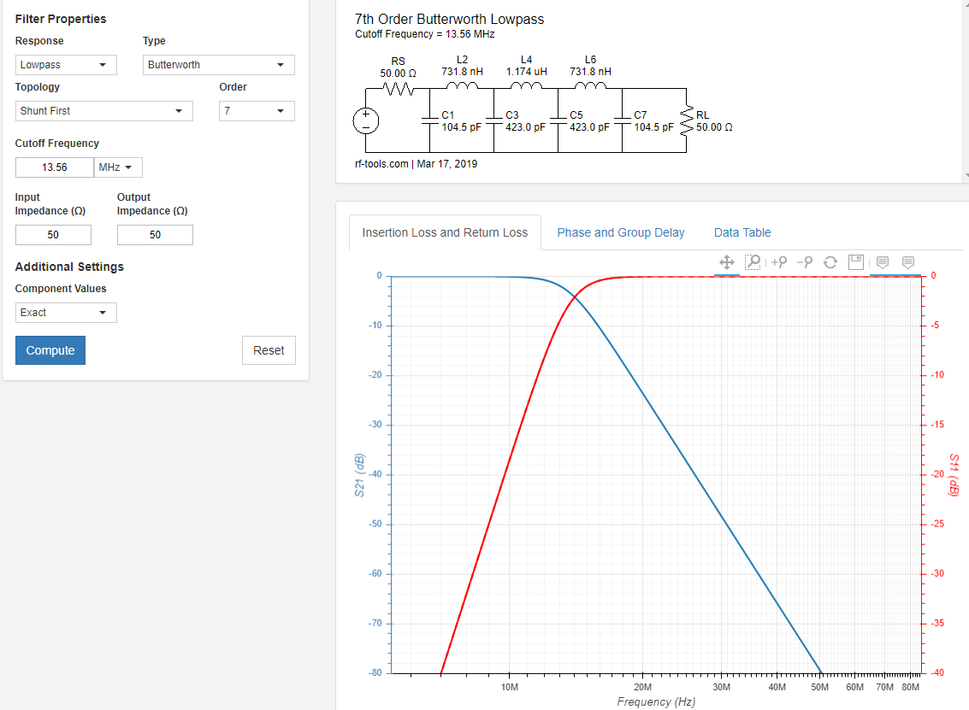
Filter matching value - reference PCB의 Data와 비슷함.

